Budget Tools
Revenue Neutral Rate

 | • RNR – Rate calculated to compare prior year ad valorem tax to current year estimates

 | • RNR = (Prior year ad valorem revenue/current year valuation estimate) X 1,000
 | Note: Revenue used is the final billed tax revenue

 |  | Example: | RNR = (A $80,773/B 1,323,770) X 1,000 = C 61.017
 |  |  | Prior year mill levy rate was D 66.44

 | Prior Year Ad Valorem Revenue |  |  | A The prior year ad valorem revenue comes from the 2023 budget certificate page.
 |  |  |  | It is the total for the Amount of 2022 Ad Valorem Tax column.
 |  |  |  | The 2022 Ad Valorem Tax by fund is keyed in the 2022 Ad Valorem Tax column in the 2024 budget
 |  |  |  | workbook inputPrYr tab.

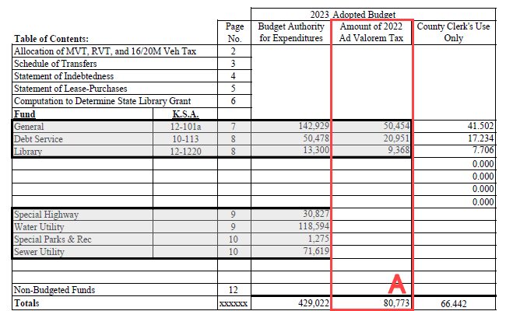

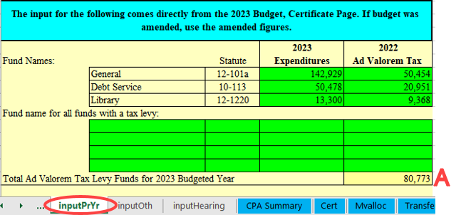

 | Current Year Valuation Estimate |  |  | B The current year valuation estimate comes from the County Clerk's Budget Information for
 |  |  |  | the the 2024 Budget received from the county clerk in June.
 |  |  |  | The information from the County Clerk's Budget Information for the 2024 Budget is keyed in the
 |  |  |  | 2024 budget workbook inputOth tab.

 | Revenue Neutral Rate |  |  | C The revenue neutral rate is calculated by the county clerk and provided to each taxing subdivision in the county by June 15th.

 | Prior Year RNR/Mill Levy Rate |  |  | D The sum of the actual tax rates
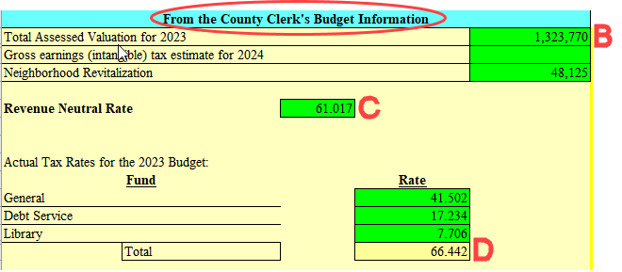
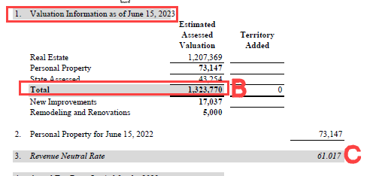

How to Compute the Value of One Mill, and the Impact of Tax Dollars and Assessed Valuation on Mill Rates

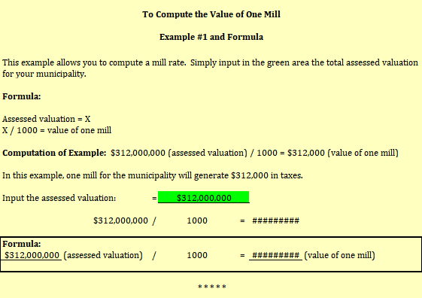

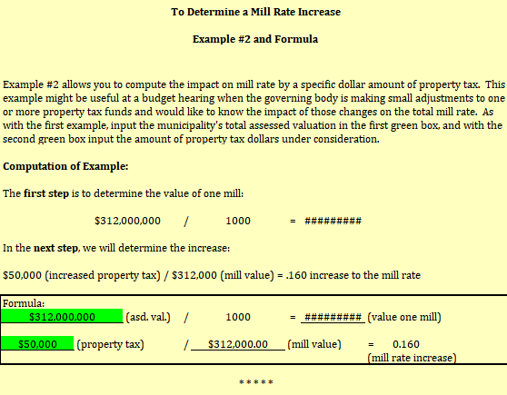

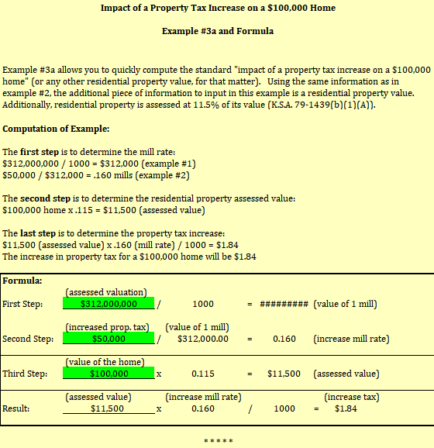

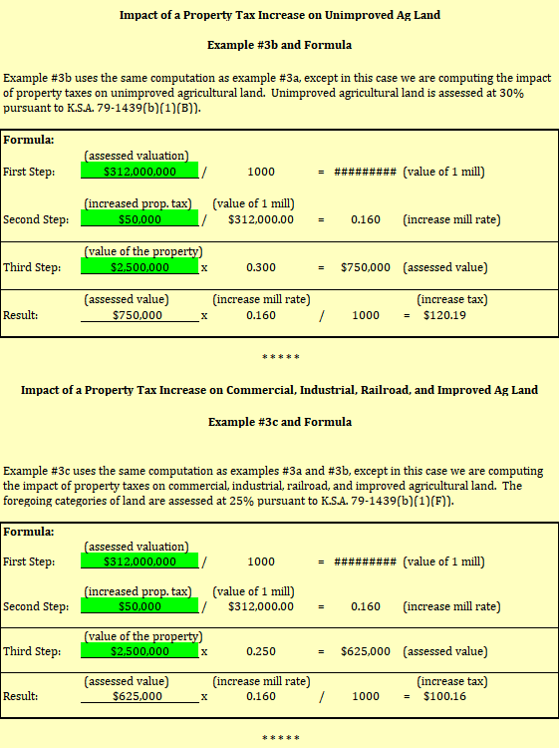

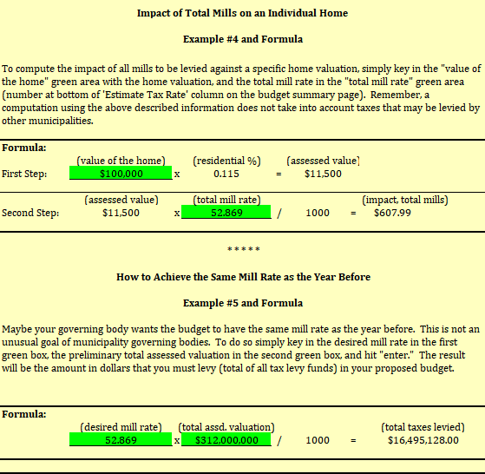

Helpful Links

 | Municipal Services (Kansas Department of Administration, Accounts and Reports) – Budget forms, confirmation of payments, transfer statutes, non-budgeted fund statutes, etc.
 | https://admin.ks.gov/offices/accounts-reports/local-government/municipal-services

 | State Debt Setoff Program (Kansas Department of Administration, Accounts and Reports) – Passive collection tool to assist municipalities with collection of unpaid utility bills, etc.
 | https://admin.ks.gov/offices/accounts-reports/state-agencies/finance/setoff-program

 | League of Kansas Municipalities
 | https://www.lkm.org/

 | Kansas Legislature – Kansas Statutes (usually updated in January), House and Senate Bills, etc.
 | http://www.kslegislature.org/li/

 | Kansas Attorney General Opinions
 | https://ag.ks.gov/media-center/ag-opinions

 | Kansas State Treasurer
 | https://www.kansasstatetreasurer.com/fin_serv.html

 | Kansas Department of Revenue
 | https://www.ksrevenue.gov/

 | Kansas Department of Revenue – Property Valuation
 | https://www.ksrevenue.gov/pvdindex.html

 | Kansas Pooled Money Investment Board – Investment of Idle Funds in the Municipal Investment Pool
 | https://pooledmoneyinvestmentboard.com/

